Postman
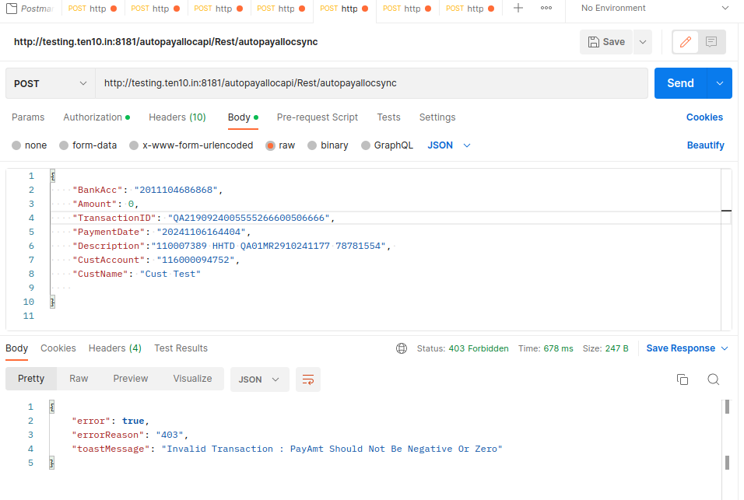
Token generation :

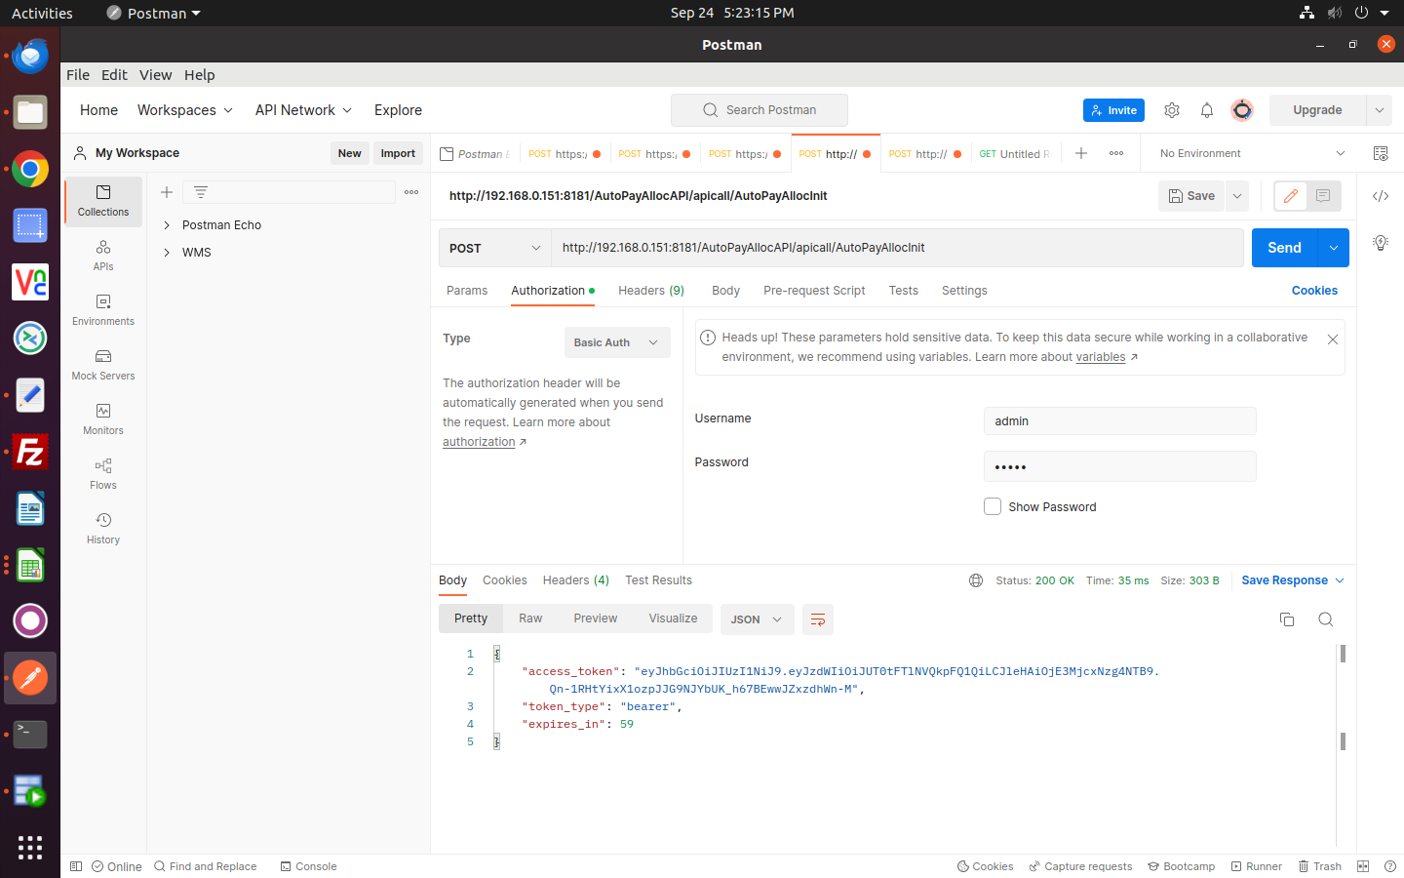

ARReceipt process :
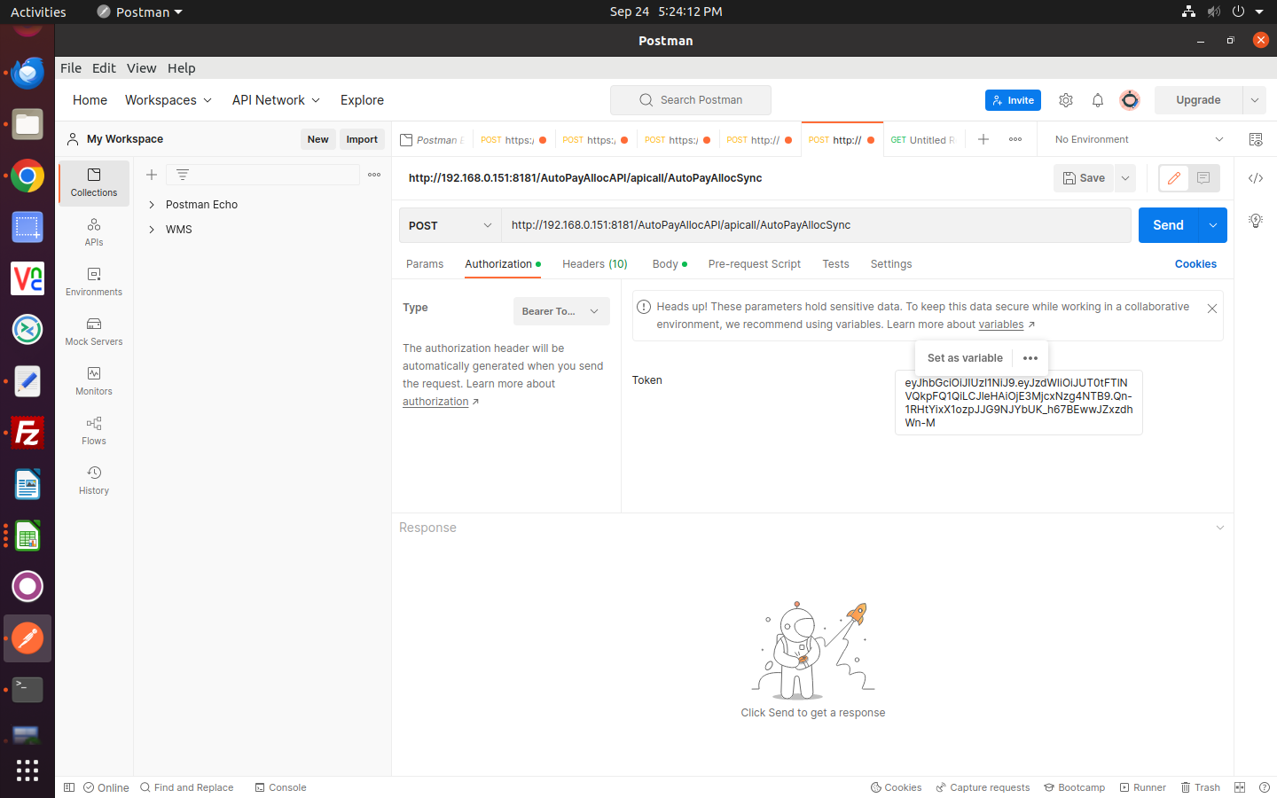

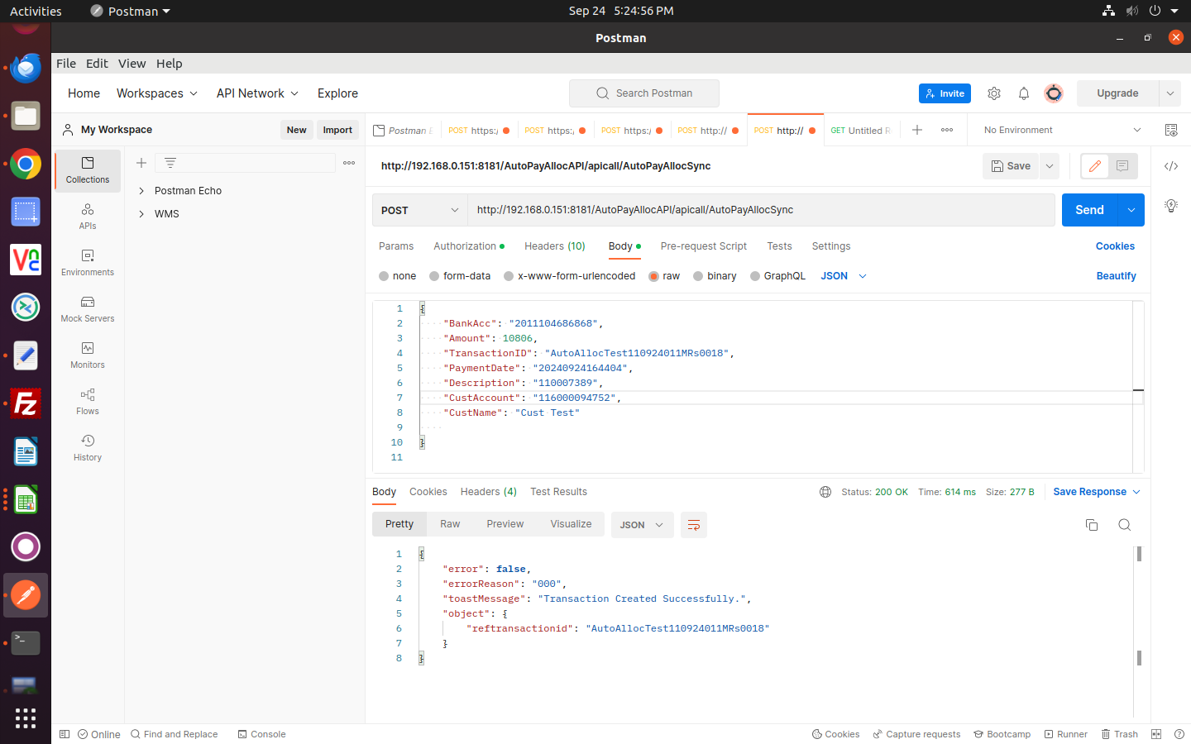

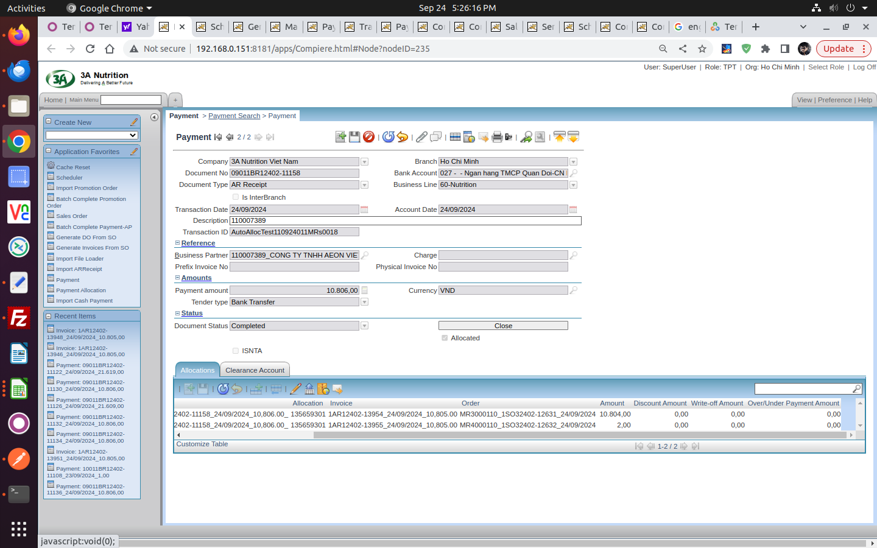

ARReceipt process :
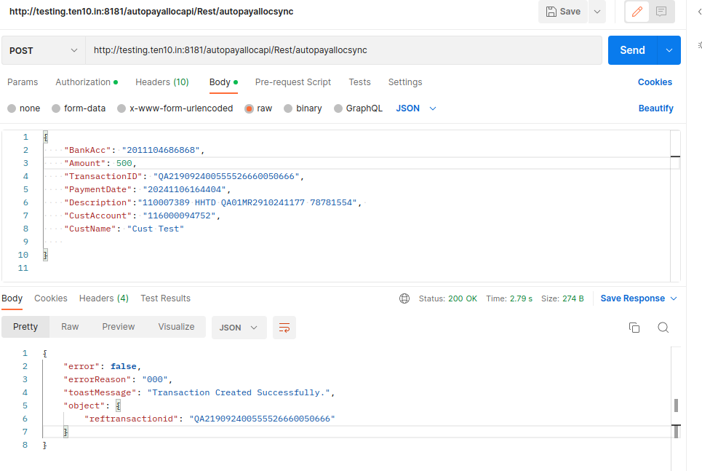

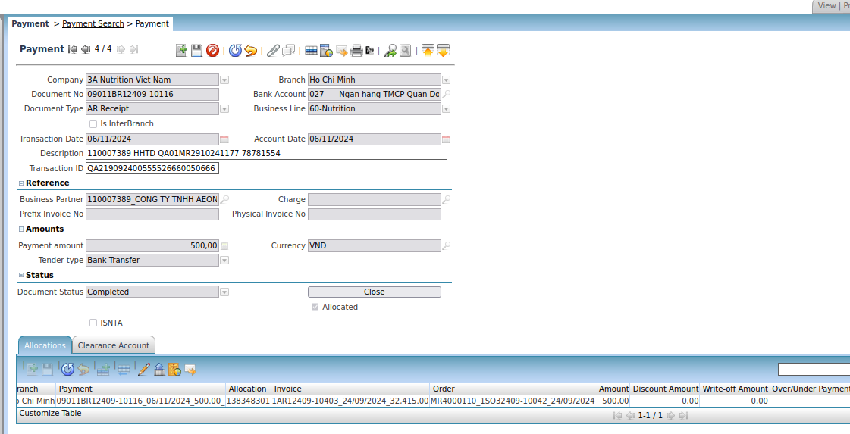

Tracking payment report :

Region | Bank Acc | Total Amount | Transaction ID | Payment | Payment Date | Description | Corresponsive Account | Corresponsive Name | Customer Code | Prefix Invoice No | Invoice No | Collection | Nutrition | Payment Collection | Payment Allocation | Type | Status
Ho Chi Minh | 2011104686868 | 500.0 | QA219092400555526660050666 | 09011BR12409-10116 | 06/11/2024 | 110007389 HHTD QA01MR2910241177 78781554 | 116000094752 | Cust Test | 110007389 |  |  | N | 60 | Y | Y | Auto | Completed
Ho Chi Minh | 116000094752 | 1.0 | QA21909240055552666005066 | 10011BR12409-10114 | 06/11/2024 | 110007389 HHTD QAMR00no88 |  |  | 110007389 |  |  | N | 60 | Y | Y | Upload | Completed
Ho Chi Minh | 116000094752 | 1.0 | QA21909240055552666005066 | 10011BR12409-10113 | 06/11/2024 | 110007389 HHTD QAMR00nov66 |  |  | 110007389 |  | 654564 | N | 60 | Y | N | Upload
Ho Chi Minh | 116000094752 | 20,400.0 | QA21909240055552666005066 |  | 06/11/2024 | 110007389 HHTD QAMR00nov66 |  |  | 110007389 |  | 654564 | N |  | N | N | Upload
Ho Chi Minh | 116000094752 | 20,400.0 | QA21909240055552666005066 |  | 06/11/2024 | 110007389 HHTD QAMR00no88 |  |  | 110007389 |  |  | N |  | N | N | Upload
Ho Chi Minh | 2011104686868 | 0.0 | QA21909240055552666005066 |  | 06/11/2024 | 110007389 HHTD QA01MR2910241177 78781554 | 116000094752 | Cust Test | 110007389 |  |  | N | 60 | N | N | Auto | Closed
Ho Chi Minh | 2011104686868 | -10.0 | QA2190924005555266600506 |  | 06/11/2024 | 110007389 HHTD QA01MR2910241177 78781554 | 116000094752 | Cust Test | 110007389 |  |  | N | 60 | N | N | Auto
Ho Chi Minh | 2011104686868 | -10.0 | QA219092400555526660050 |  | 06/11/2024 | 110007389 HHTD QA01MR2910241177 78781554 | 116000094752 | Cust Test | 110007389 |  |  | N | 60 | N | N | Auto
Ho Chi Minh | 2011104686868 | 0.0 | TR04112024007 |  | 04/11/2024 | 110007389 HHTD QA01MR2910241177 | 116000094752 | Cust Test | 110007389 |  |  | N | 60 | N | N | Auto
Ho Chi Minh | 2011104686868 | 1.0 | TR04112024004 | 09011BR12409-10112 | 04/11/2024 | 110007389 HHTD QA01MR2910241177 | 116000094752 | Cust Test | 110007389 |  |  | N | 60 | Y | N | Auto
Ho Chi Minh | 2011104686868 |  | TR04112024003 |  | 04/11/2024 | 110007389 HHTD QA01MR2910241177 | 116000094752 | Cust Test | 110007389 |  |  | N | 60 | N | N | Auto

This payment data show in Tracking payment report :
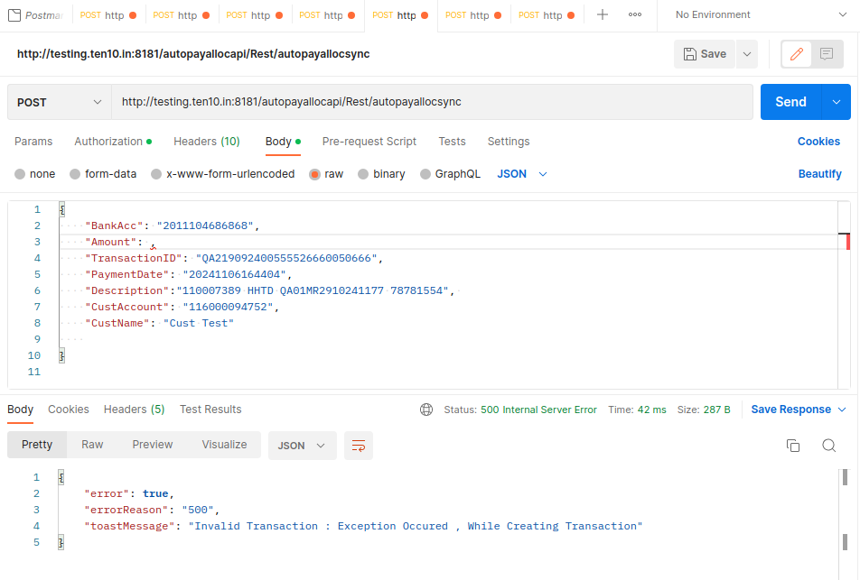

This payment data not show in Tracking payment report

Tracking payment report (import
import Auto Arreceipt

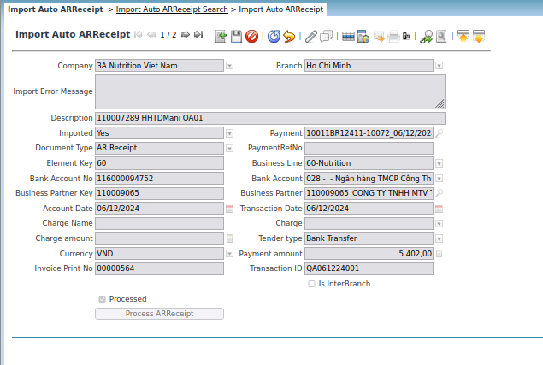

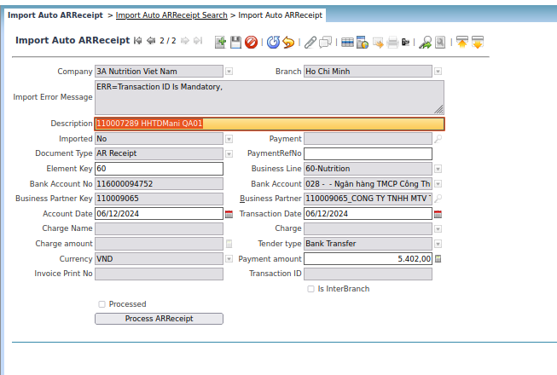

API

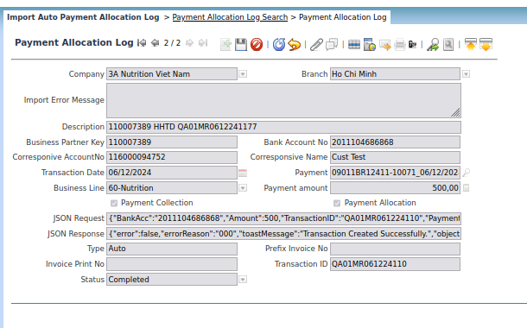

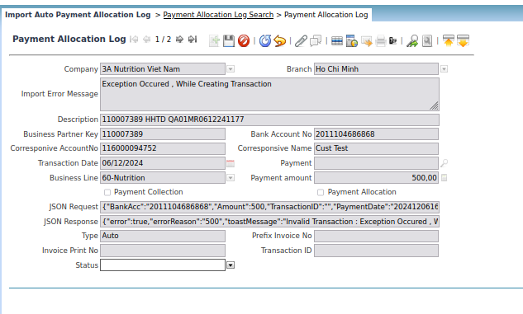

Auto Cash payment

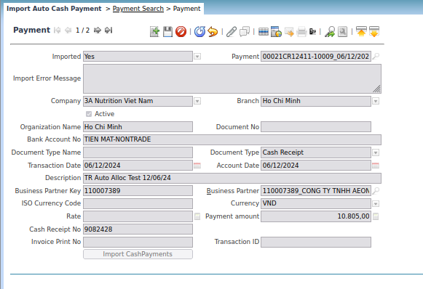

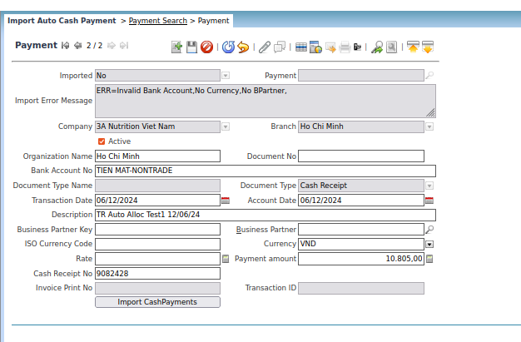

Tracking Payment

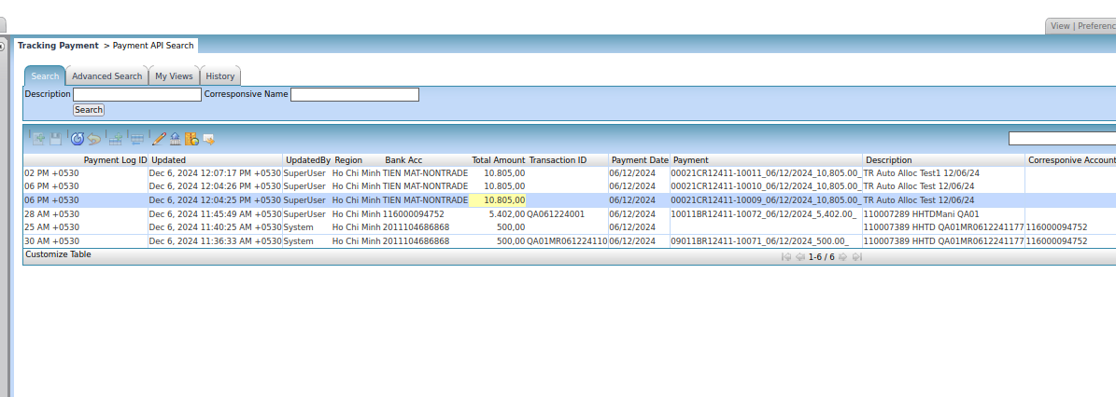

Tracking payment report

Region | Bank Acc | Total Amount | Transaction ID | Payment | Payment Date | Description | Corresponsive Account | Corresponsive Name | Customer Code | Prefix Invoice No | Invoice No | Collection | Nutrition | Payment Collection | Payment Allocation | Type | Status
Ho Chi Minh | TIEN MAT-NONTRADE | 10,805.0 |  | 00021CR12411-10011 | 06/12/2024 | TR Auto Alloc Test1 12/06/24 |  |  | 110007389 |  |  | N | 60 | Y | Y | Upload | Completed
Ho Chi Minh | TIEN MAT-NONTRADE | 10,805.0 |  | 00021CR12411-10010 | 06/12/2024 | TR Auto Alloc Test 12/06/24 |  |  | 110007389 |  |  | N | 60 | Y | Y | Upload | Completed
Ho Chi Minh | TIEN MAT-NONTRADE | 10,805.0 |  | 00021CR12411-10009 | 06/12/2024 | TR Auto Alloc Test 12/06/24 |  |  | 110007389 |  |  | N | 60 | Y | Y | Upload | Completed
Ho Chi Minh | 116000094752 | 5,402.0 | QA061224001 | 10011BR12411-10072 | 06/12/2024 | 110007289 HHTDMani QA01 |  |  | 110009065 |  | 00000564 | N | 60 | Y | N | Upload
Ho Chi Minh | 2011104686868 | 500.0 |  |  | 06/12/2024 | 110007389 HHTD QA01MR0612241177 | 116000094752 | Cust Test | 110007389 |  |  | N | 60 | N | N | Auto
Ho Chi Minh | 2011104686868 | 500.0 | QA01MR061224110 | 09011BR12411-10071 | 06/12/2024 | 110007389 HHTD QA01MR0612241177 | 116000094752 | Cust Test | 110007389 |  |  | N | 60 | Y | Y | Auto | Completed

 |  | import auto cash payment
 |  | import auto ARreceipt
 |  | API Arreceipt

